Chapter 4 PA9
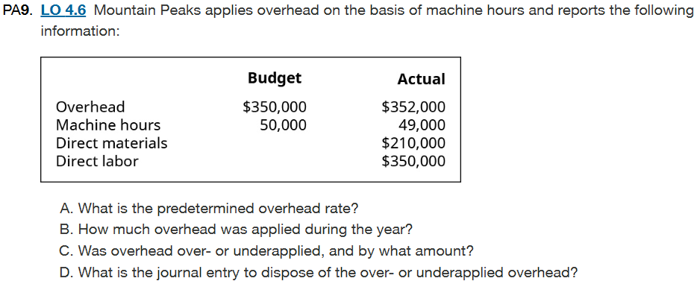
 |  | Answer
 | A | Predetermined Overhead Rate: 7.0 per machine hour
 | B | Overhead Applied During the Year: $343,000
 | C | Status: Underapplied by $9,000
 | D | Journal Entry is below

A. Predetermined overhead rate is the amount allocated to MOH based on the expected level of activity |  | C. Overhead over/underapplied
Just like the previous problem we start with Given: |  | Given:
Estimated Overhead= $350,000 |  | Applied OH = $343,000
Machine Hours= 50,000hours |  | Actual OH= 352,000
Predetermined Overhead Rate= Estimated OH cost/ Expected Level of Activity |  | We calculate by getting the difference between applied and actual overhead
Predetermined Overhead Rate= $350,000/50,000= $7 |  | Overhead= Applied OH- Acutal OH
 |  | Overhead= $343,00- $352,000= $9000
B. Applied Overhead is the Predetermined OH rate x Hours |  | This shows the overhead is underapplied by $9000
Given:
Predetermined OH rate= $7 |  | D. Journal Entry to dispose the underapplied overhead
Actual Machine Hours= 49,000hours |  | Particulars | Debit | Credit
Applied OH= Predetermined OH rate x Actual Machine Hours |  | COGS | $9,000
Applied OH = $7 x 49,000 = $343,000 |  | Manufacturing Overhead |  | $9,000
 |  | Record the underapplied OH to COGS

